Sector
Sectors
Source (Bloomberg)
item | description

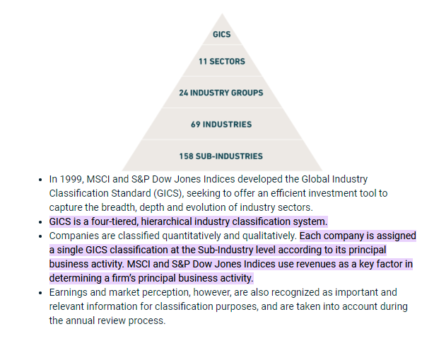
name | Name of the issuing company | Short info on GICS: The GICS numbers are most for reference, the categories might be more intuitive to use
country | Country where the company's headquarter is located
ISIN | Full name of the traded security include class
TICKER
sector | The company's economic sector as given by Factset
GICS | GICS is a way to categorize companies
Industry_Group | (See explanation on the right for more info)
GICS .1
Industry
GICS .2
Sub-Industry
GICS 3
Market | omx,dax or dow
industry | The company's main industry as given by Factset
website | The company's corporate website
description | Short business description for the company

Equity
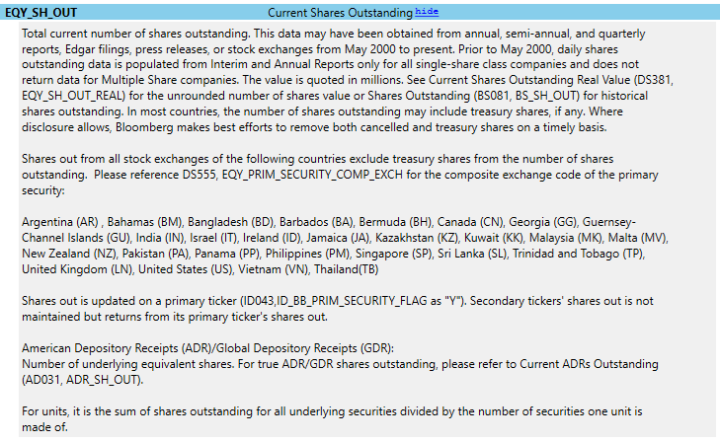
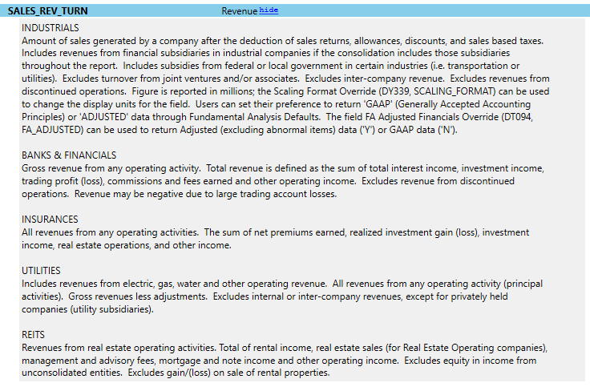
Equity Data

Source (Bloomberg)

item
Date | Date marker, monthly intervals
Ticker | Company identifier
Market | Stock exchange for the equity

